Edited_form
images | Name | age | status | gender | orientation | body_type | education | ethnicity | religion | smokes | drink | diet | speaks | sign | offspring | drugs | height | income | job | pets | essay0 | essay1 | essay2 | essay3 | essay4 | essay5 | essay6 | essay7 | essay8 | essay9
 | Diya | 20 | Single | Female | Straight | Fit | College/University | Asian | Other | No | Yes | Vegetarian | Hindi | Aries | Wants Kids | No | 66 | 0 | Other | Dislikes Cats and Dogs | I’m an extroverted introvert. Im extremely talkative with my friends but I do not go out of the way to make friends :( and I really enjoy sleeping. | Studying currently. | Time management and baking | Not sure..? | Titanic, Chinese and Mexican food. And I love billie | Sleep, food, parents, my phone | My future and career | With my friends | Nothing private | If you would like to be friends with me?
 | Apeksha | 20 | in a relationship or available | Female | Bisexual | Fit | College/University | Asian | Hinduism | yes | Yes | Vegetarian | Kannada | Scorpion | Wants Kids | No | 67.7 | 0 | Other | Likes Cats and Dogs | Just a fun, outgoing person who’s really into fiction and fantasy | Currently on a hustle to meet my career goals | Dancing, cooking and money | My eyebrows | Harry Potter series, anything Justin Bieber and chai | Chai, books, phone, delicious food, cozy blankets | Honestly? Food! | Dancing | I’m afraid of losing what I love | You are into fiction or food
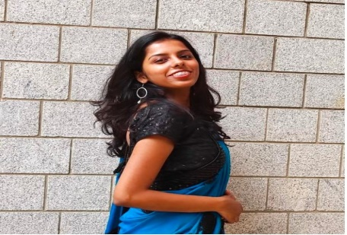 | Shreya Sharma | 21 | Single | Female | Straight | Curvy | College/University | Asian | Hinduism | No | Yes | Vegetarian | hindi | scorpius /scorpio | Does not want kids | No | 64 | 0 | Office/Professional | Likes only Dogs | I am passionate about things , an ambivert ,loves rain ,likes dancing and on the way of self love | I am a student ,studying data science | sketching | my eyes ,smile | Norwegian wood, The book thief, 13 reasons why ,Sasha Sloan ,south Indian cuisine | my dream, parents, food, Korean shows, music, travelling | My future ,dreams and goals of life | i would like to party and hang out at club | I crack lamest jokes | you find me interesting emotionally
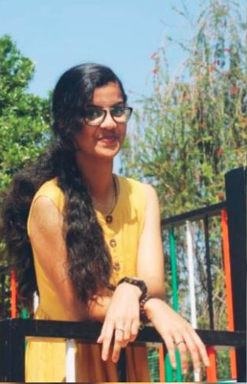 | Mariam Joan | 19 | Unknown | Female | Straight | Thin | College/University | Asian | Christianity | No | No | Anything | Tamil, Hindi | capricorn | Wants Kids | No | 71 | 0 | Other | Likes Cats and Dogs | Extrovert 😂❤, very people friendly | even i wanna know what am i doing with my life😂😂 ?!!!!!!!! | helping people | that im too friendly and talkative 😂 | Favourite Book is fault in our stars, favorite movies list goes on, music - anything which calms me down, fav food - panner butter masala and naan😌 | family, friends, my headphones ( music), food ( food is everything 😂😂), bed ( cause i love sleeping), money cause to buy food 😌 | OVER THINKING ABOUT MY FUTURE | binging watching movies | that i break down very quick | you are extrovert like me 😂😂
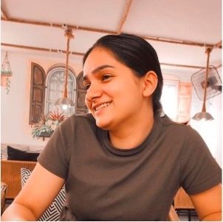 | anchal pathania | 20 | Single | Female | Straight | Average | College/University | Mixed | Hinduism | No | No | Vegetarian | Hindi | Leo | Unknown | No | 63.6 | 0 | Other | Likes Cats and Dogs | A passionate girl ,working towards all my dreams . | Studying | Running, trekking | behaviour | LUDO | The 6 things that I could never do without friends are talking non-sense , pranking others , freely walking on streets ,trips | My life ,carrer & people around me | sleepy | that i am very emotional but strong at the same time . | you need me
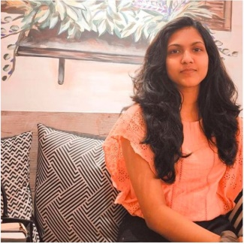 | Keerthima | 19 | Single | Female | Straight | Fit | College/University | Asian | Hinduism | No | No | Anything | Malayalam | Sagittarius | Unknown | No | 66 | 320000 | Office/Professional | Likes Cats and Dogs | I live by the motto 'Be Happy and Grateful for Whatever you are and you have today'. I find greatest joy even in the slightest things. I'm bad at expressing my feelings especially at the right time. But I have also found out a remedy for this that I can express well through writing letters. People say I'm a short tempered person but I feel it's mostly the tone in which I speak makes them feel I'm angry. I care about my family and close ones alot. I also respect others freedom and expect the same. | I'm on journey of attaining perfectionism in everything that I do. Everything around me, fascinates me and thus I wish and will strive to be a generalist. | Listening, understanding, reading, singing, dancing | Hair/ Face / Height | I love books, movies, music and food irrespective of what kind they are. | Family, Clock/Watch, Phone, Books, Hot water, Calendar | My life's purpose | I would be sleeping, reading, binge watching YouTube videos or movies, or on a night walk. | That I find happiness when I'm alone | If you love flowers even after they are faded, eats less junk food, loves arts, sports, books, plants & travelling and does all your house chores & cooking by yourself:)
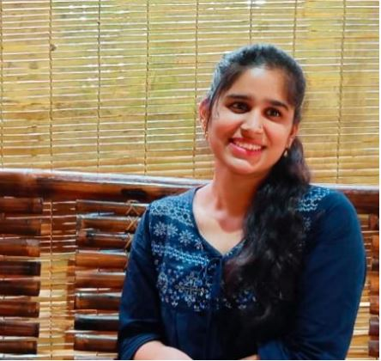 | Amrutha Varshini P B | 20 | Single | Female | Straight | Overweight | College/University | Asian | Hinduism | No | No | Vegetarian | English | Virgo | Wants Kids | No | 64 | 0 | Other | Likes Cats and Dogs | A funny person who is serious about career. Fan of BTS. Loves to dance and sing and learn alot. A crazy one and sometimes mighy be embarrassing one too 😅 | Currently I am a student and n my final year degree. | Listening, dancing and cooking | Eyes and smile | Book - One Indian girl, show- kdramas, Movies - funny movies, music - most of BTS and AR Rahman songs, Food - Indian food and pastas | I can't finish my day without talking to myself, listening to music, taking shower, watching some funny videos and imagining things. | I spend a lot of time thinking about my future and my work and sometimes my dreams. | Tired and I rest alot | Is that I sometimes dumb and scared to tell what I feel and later let it go. | You want someone to listen to you.
 | Sowndhariya | 19 | Single | Female | Straight | Overweight | College/University | Asian | Hinduism | No | No | Anything | Hindi | Aquarius | Does not want kids | No | 61.2 | 0 | Office/Professional | Dislikes Cats and Dogs | Myself Sowndhariya I'm basically from chickamagalur | Currently I'm pursuing my degree | Cooking sleeping | Mood swings | Favorite movie love mocktail | _ | My carrier | Sleeping | Nothing | _
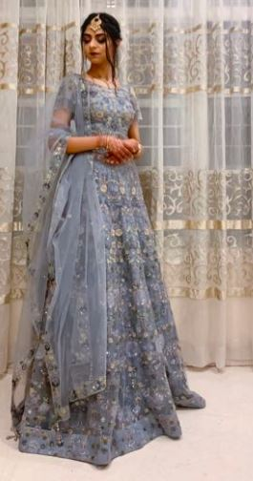 | Aamina Sharief | 20 | Single | Female | Straight | Curvy | College/University | Asian | Islam | No | No | Halal | Urdu | Taurus | Wants Kids | No | 63 | 0 | Other | Likes only Cats | I believe I’m funny and jovial. I rarely get annoyed. Sleep is the most important thing to me so when interrupted, I turn into hulk. I am very ambitious and flirtatious. I love nature and travelling. My ideal date would be star gazing. people usually get two versions of myself - homeless or Met Gala. | I still have no idea | Art, fashion | My outfits | My favourite movie is Me Before You. I LOVE tacos, it’s my favourite food. Favourite show is Elité. Percy Jackson will always remain my favourite series of books. I mostly listen to One Direction and their solos. | Family, coffee, | Creating my ideal life and Harry Styles | Sleeping | Psychotic symptoms | You’re atleast 6 feet, funny, like travelling, and have a thing for fashion.
 | Sharanya | 20 | Single | Female | Straight | Fit | College/University | Asian | Hinduism | yes | Yes | Vegetarian | Kannada | Taurus | Does not want kids | No | 61.2 | 0 | Other | Likes Cats and Dogs | Socially anxious | I honestly don’t know | Singing | My smile | Friends, Vampire diaries, Pop, Indian and Chinese | Phone, cash, lip balm, sanitizer, tissues | My future and all the things that could go wrong | In my bed | Nothing | Don’t message me lol
 | Namratha H | 21 | Single | Female | Straight | Thin | College/University | White | Hinduism | No | No | Vegetarian | Kannada | None | Unknown | No | 24 | 0 | Other | Likes only Dogs | I am a chess player | Chess | Chess | Chess player | Chess books | Donno | Chess | Happy | Donno | Okay
 | Anjali Ancy | 20 | Unknown | Female | Straight | Rather not say | College/University | Asian | Other | yes | Yes | Anything | Tamil | Pisces | Wants Kids | No | 65 | 0 | Science/Tech | Likes only Dogs | I am a passionate learner and I love being around people and working with them | Working towards more women representation in the field of analyticd | Teaching, french, public speaking, event coordinating | My energy | Harry potter, this is us, indie music, tacos | Moisturiser, hairbands, jackets, monkey toy, shopping, learning | Self love | Studying/teaching | I love to love | Dont message me
 | Bushra Wajid | 20 | Unknown | Female | Straight | Thin | College/University | Asian | Islam | No | No | Halal | Urdu | Gemini | Does not want kids | No | 64.8 | 0 | Other | Likes only Cats | I love night (the cool breeze, streetlights), Street food and travelling also shopping . | Messing it up (Also, I do want to get in a company that pays me well) | Riding Bike | obviously my height and that I am a lil dumb | If tomorrow comes, Uri, Delhi crimes, Vishal Mishra, Shawarma | My sister(Shabnam), Friends, my mum (obviously) ,a good night sleep and full tummy | Biryani, Kabebs, Shavarma (Basically about food) | I usually sleep , That's how boring my life is. | I hate people sometimes | You are a really dog (or any animal) friendly person (because, I really hate people who be rude to animals)
 | KS Sadhana | 20 | in a relationship or available | Female | Straight | Average | College/University | Asian | Hinduism | No | No | Vegetarian | kannada | aquarius | Unknown | No | 61.2 | 0 | Other | Likes only Dogs | Hi, I am Sadhana from banglore. I am currently pursuing my final year degree in bvoc data analytics at Mount Carmel College. I did my pre-university at Alva's PU College and my schooling at Poornapragyna highschool. | I'm currently enjoying my degree with my friends and having fun with my family and sometimes chilling out with my cousins. | singing, video editing, I like travelling and doing reels:) | silent and calm | All Aram Malik, Vidya Vox and Rihana songs | Mom Dad, Friends, mobile, chats, ice cream, laptop | planning future trips and my marriage | happy to enjoy weekend | i dont want to admit | your wedding get fixed:)
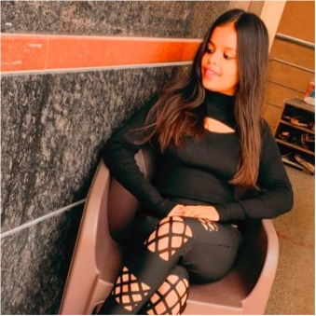 | Nisha pareek | 21 | in a relationship or available | Female | Straight | Curvy | College/University | Unknown | Hinduism | yes | Yes | Vegetarian | Hindi,punjabi | Cancer | Does not want kids | No | 61.2 | 0 | Other | Unknown | Hey there i m Nisha from banglore pursuing my final yr in data analytics | Exploring | Singing and flirting | My height coz i m short | Malang movie | I would never want to travel alone | How to work on myself | Sleeping | Nothing | U like me
 | Sakshi | 20 | Single | Female | Straight | Curvy | College/University | Asian | Hinduism | No | No | Vegetarian | hindi | Sagittarius | Wants Kids | No | 65 | 0 | Other | Likes Cats and Dogs | I love night (the cool breeze, streetlights), Street food and travelling also shopping . | Messing it up (Also, I do want to get in a company that pays me well) | Riding Bike | obviously my height and that I am a lil dumb | If tomorrow comes, Uri, Delhi crimes, Vishal Mishra, Shawarma | My sister(Shabnam), Friends, my mum (obviously) ,a good night sleep and full tummy | Biryani, Kabebs, Shavarma (Basically about food) | I usually sleep , That's how boring my life is. | I hate people sometimes | You are a really dog (or any animal) friendly person (because, I really hate people who be rude to animals)
 | Maheen Khan | 21 | Unknown | Female | Straight | Average | College/University | Asian | Islam | No | No | Halal | Hindi | Sagittarius | Does not want kids | No | 60 | 5000 | Science/Tech | Likes Cats and Dogs | I am maheen khan studying in mount Carmel College. | Going with the flow | Out door activities | My eyes | Pizza | Phone, food, fun, hanging out, sleep, internet | Future | Sleeping at home | I am lazy | You love dogs
 | Shabnam | 18 | Single | Female | Straight | Average | Two-year college | Asian | Islam | No | No | Vegetarian | kannada | virgo | Unknown | No | 67.2 | 0 | Other | Likes Cats and Dogs | gorgeous, sarcastic, cute, tall, confused | confusing myself and overthinking | singing, organising stuff, disturbing my sister, sketching | my eyebrows | fairytales, moana, radhakrishn, bad boy bad girl, maggie | good mood, my fam, confidence, food, sleep, my organs | my crush | craving for all my serials tat i can only watch on monday | nothing | you are sarcastic
 | Nithisha.D | 20 | in a relationship or available | Female | Straight | Average | College/University | Asian | Christianity | No | No | Anything | Tamil | Scorpius | Unknown | No | 64.9 | 0 | Other | Likes only Dogs | A young 20 year old girl with lots of love and affection towards the people,Struggling for a self identity. | Following my passion | Communication | Attitude | Any Abdul kalam books,Thriller movies,Dance vs Dance,Basically big music lover its Difficult to mention, chicken n | Gossips,Help for the one who hate me,Never sacrifice my self respect,self sarisfaction is mandatory | What kind of job i have to choose | Might be sleeping 😆 | I Used to talk to me seeing the mirror everyday about the whole day how it was | You really like me
 | Sowmya R | 20 | Single | Female | Straight | Thin | College/University | Asian | Hinduism | No | No | Anything | English kannada | Taurus | Wants Kids | No | 61.32 | 14.5 | Office/Professional | Likes only Dogs | Friendly | Enjoying | Cooking | Look | Anirudh musics , biriyani, live shows , vj movies ,peter | Tea , scolding, crying, caring, trusting, loving | My life | Out | Ntg | I'm free
 | Rumana S | 21 | Single | Female | Straight | Curvy | College/University | Asian | Islam | No | No | Halal | Urdu | Pisces | Wants Kids | No | 60 | 0 | Other | Likes Cats and Dogs | I love night (the cool breeze, streetlights), Street food and travelling also shopping . | Messing it up (Also, I do want to get in a company that pays me well) | Riding Bike | obviously my height and that I am a lil dumb | If tomorrow comes, Uri, Delhi crimes, Vishal Mishra, Shawarma | My sister(Shabnam), Friends, my mum (obviously) ,a good night sleep and full tummy | Biryani, Kabebs, Shavarma (Basically about food) | I usually sleep , That's how boring my life is. | I hate people sometimes | You are a really dog (or any animal) friendly person (because, I really hate people who be rude to animals)
 | Ranjitha | 21 | Single | Female | Straight | Average | College/University | Asian | Christianity | No | No | Anything | Kannada | Taurus | Wants Kids | No | 64.8 | 0 | Office/Professional | Dislikes Cats and Dogs | Ranjitha from north karnataka. Hobby-watching movie, playing video games. Favorite food-chicken biriyani. Pursuing degree final year | Studies | Cooking | Attitude | Food-biriyani | Mobile,tv, family | Career | At home | Nothing | .

